List1
Materials | Rabatte_%
RSC | 100
GOLD | 100
CA255R | 100
KK114F | 100

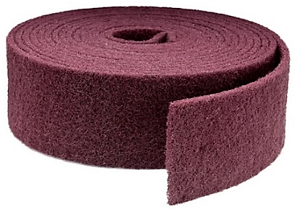
Calatog č. | Cena po slevě CZK | Final price Eur | Ceník 2021 CZK | List price Eur | CZ název | AJ název | Box ( ks ) | EAN code
RSCAC1 | 0.00 | 0.000 | 137.14 | 5.486 | Role RSC 100mm x m Coarse | Roll RSC 100mm x m Coarse | 1 Roll
RSCAM1 | 0.00 | 0.000 | 116.27 | 4.651 | Role RSC 100mm x m Medium | Roll RSC 100mm x m Medium | 1 Roll
RSCAF1 | 0.00 | 0.000 | 92.84 | 3.714 | Role RSC 100mm x m Fine | Roll RSC 100mm x m Fine | 1 Roll
RSCAV1 | 0.00 | 0.000 | 92.84 | 3.714 | Role RSC 100mm x m Very fine | Roll RSC 100mm x m Very fine | 1 Roll
RSCAU1 | 0.00 | 0.000 | 92.84 | 3.714 | Role RSC 100mm x m Ultra fine | Roll RSC 100mm x m Ultra fine | 1 Roll
RSCAC5 | 0.00 | 0.000 | 204.71 | 8.189 | Role RSC 150mm x m Coarse | Roll RSC 150mm x m Coarse | 1 Roll
RSCAM5 | 0.00 | 0.000 | 173.34 | 6.934 | Role RSC 150mm x m Medium | Roll RSC 150mm x m Medium | 1 Roll
RSCAF5 | 0.00 | 0.000 | 139.27 | 5.571 | Role RSC 150mm x m Fine | Roll RSC 150mm x m Fine | 1 Roll

RSCAV5 | 0.00 | 0.000 | 139.27 | 5.571 | Role RSC 150mm x m Very fine | Roll RSC 150mm x m Very fine | 1 Roll
RSCAU5 | 0.00 | 0.000 | 139.27 | 5.571 | Role RSC 150mm x m Ultra fine | Roll RSC 150mm x m Ultra fine | 1 Roll
G998100 | 0.00 | 0.000 | 1062.37 | 42.495 | Role 115mm x 25m P100 Gold 998 | Roll 115mm x 25m P100 Gold 998 | 1 Roll
G998120 | 0.00 | 0.000 | 1062.37 | 42.495 | Role 115mm x 25m P120 Gold 998 | Roll 115mm x 25m P120 Gold 998 | 1 Roll
G985150 | 0.00 | 0.000 | 1137.71 | 45.509 | Role 115mm x 25m P150 Gold 985 Flexible | Roll 115mm x 25m P150 Gold 985 Flexible | 1 Roll
G985180 | 0.00 | 0.000 | 1137.71 | 45.509 | Role 115mm x 25m P180 Gold 985 Flexible | Roll 115mm x 25m P180 Gold 985 Flexible | 1 Roll
G985220 | 0.00 | 0.000 | 1137.71 | 45.509 | Role 115mm x 25m P220 Gold 985 Flexible | Roll 115mm x 25m P220 Gold 985 Flexible | 1 Roll
G985240 | 0.00 | 0.000 | 1137.71 | 45.509 | Role 115mm x 25m P240 Gold 985 Flexible | Roll 115mm x 25m P240 Gold 985 Flexible | 1 Roll
G985280 | 0.00 | 0.000 | 1137.71 | 45.509 | Role 115mm x 25m P280 Gold 985 Flexible | Roll 115mm x 25m P280 Gold 985 Flexible | 1 Roll
G985320 | 0.00 | 0.000 | 1137.71 | 45.509 | Role 115mm x 25m P320 Gold 985 Flexible | Roll 115mm x 25m P320 Gold 985 Flexible | 1 Roll
G985400 | 0.00 | 0.000 | 1137.71 | 45.509 | Role 115mm x 25m P400 Gold 985 Flexible | Roll 115mm x 25m P400 Gold 985 Flexible | 1 Roll
G985500 | 0.00 | 0.000 | 1137.71 | 45.509 | Role 115mm x 25m P500 Gold 985 Flexible | Roll 115mm x 25m P500 Gold 985 Flexible | 1 Roll
G985600 | 0.00 | 0.000 | 1137.71 | 45.509 | Role 115mm x 25m P600 Gold 985 Flexible | Roll 115mm x 25m P600 Gold 985 Flexible | 1 Roll
G985800 | 0.00 | 0.000 | 1137.71 | 45.509 | Role 115mm x 25m P800 Gold 985 Flexible | Role 115mm x 25m P800 Gold 985 Flexible | 1 Roll
G9851000 | 0.00 | 0.000 | 1137.71 | 45.509 | Role 115mm x 25m P1000 Gold 985 Flexible | Role 115mm x 25m P1000 Gold 985 Flexible | 1 Roll
G9981200 | 0.00 | 0.000 | 1062.37 | 42.495 | Role 115mm x 25m P1200 Gold 998 | Roll 115mm x 25m P1200 Gold 998 | 1 Roll
G9981500 | 0.00 | 0.000 | 1062.37 | 42.495 | Role 115mm x 25m P1500 Gold 998 | Roll 115mm x 25m P1500 Gold 998 | 1 Roll
PA2798 | 0.00 | 0.000 | 61.37 | 2.455 | Role 93mm x 5m P40 CA255R | Roll 93mm x 5m P40 CA255R | 1 Roll | 8595666502798
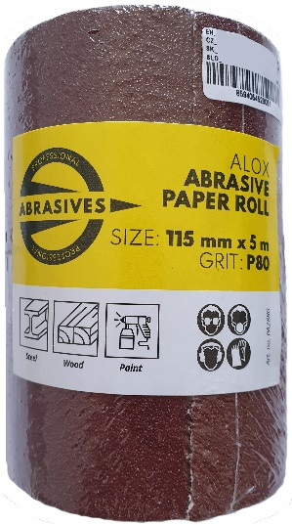
PA2804 | 0.00 | 0.000 | 53.02 | 2.121 | Role 93mm x 5m P60 CA255R | Roll 93mm x 5m P60 CA255R | 1 Roll | 8595666502804
PA2811 | 0.00 | 0.000 | 49.20 | 1.968 | Role 93mm x 5m P80 CA255R | Roll 93mm x 5m P80 CA255R | 1 Roll | 8595666502811
PA2828 | 0.00 | 0.000 | 46.82 | 1.873 | Role 93mm x 5m P100 CA255R | Roll 93mm x 5m P100 CA255R | 1 Roll | 8595666502828
PA2835 | 0.00 | 0.000 | 46.82 | 1.873 | Role 93mm x 5m P120 CA255R | Roll 93mm x 5m P120 CA255R | 1 Roll | 8595666502835
PA2842 | 0.00 | 0.000 | 46.82 | 1.873 | Role 93mm x 5m P180 CA255R | Roll 93mm x 5m P180 CA255R | 1 Roll | 8595666502842
PA2859 | 0.00 | 0.000 | 46.82 | 1.873 | Role 93mm x 5m P240 CA255R | Roll 93mm x 5m P240 CA255R | 1 Roll | 8595666502859
PA2866 | 0.00 | 0.000 | 72.89 | 2.916 | Role 115mm x 5m P40 CA255R | Roll 115mm x 5m P40 CA255R | 1 Roll | 8595666502866
PA2873 | 0.00 | 0.000 | 62.59 | 2.504 | Role 115mm x 5m P60 CA255R | Roll 115mm x 5m P60 CA255R | 1 Roll | 8595666502873
PA2880 | 0.00 | 0.000 | 57.91 | 2.316 | Role 115mm x 5m P80 CA255R | Roll 115mm x 5m P80 CA255R | 1 Roll | 8595666502880
PA2897 | 0.00 | 0.000 | 54.89 | 2.196 | Role 115mm x 5m P100 CA255R | Roll 115mm x 5m P100 CA255R | 1 Roll | 8595666502897
PA2903 | 0.00 | 0.000 | 54.89 | 2.196 | Role 115mm x 5m P120 CA255R | Roll 115mm x 5m P120 CA255R | 1 Roll | 8595666502903
PA2910 | 0.00 | 0.000 | 54.89 | 2.196 | Role 115mm x 5m P180 CA255R | Roll 115mm x 5m P180 CA255R | 1 Roll | 8595666502910
PA2927 | 0.00 | 0.000 | 54.89 | 2.196 | Role 115mm x 5m P240 CA255R | Roll 115mm x 5m P240 CA255R | 1 Roll | 8595666502927
726645 | 0.00 | 0.000 | 837.38 | 32.207 | Role 25mm x 50m P 40 KK114F RSPB | Roll 25mm x 50m P 40 KK114F RSPB | 1 Roll
726647 | 0.00 | 0.000 | 732.56 | 28.175 | Role 25mm x 50m P 60 KK114F RSPB | Roll 25mm x 50m P 60 KK114F RSPB | 1 Roll
726648 | 0.00 | 0.000 | 683.23 | 26.278 | Role 25mm x 50m P 80 KK114F RSPB | Roll 25mm x 50m P 80 KK114F RSPB | 1 Roll
726649 | 0.00 | 0.000 | 652.45 | 25.094 | Role 25mm x 50m P 100 KK114F RSPB | Roll 25mm x 50m P 100 KK114F RSPB | 1 Roll
726650 | 0.00 | 0.000 | 652.45 | 25.094 | Role 25mm x 50m P 120 KK114F RSPB | Roll 25mm x 50m P 120 KK114F RSPB | 1 Roll
726651 | 0.00 | 0.000 | 652.45 | 25.094 | Role 25mm x 50m P 150 KK114F RSPB | Roll 25mm x 50m P 150 KK114F RSPB | 1 Roll
726652 | 0.00 | 0.000 | 652.45 | 25.094 | Role 25mm x 50m P 180 KK114F RSPB | Roll 25mm x 50m P 180 KK114F RSPB | 1 Roll
726654 | 0.00 | 0.000 | 652.45 | 25.094 | Role 25mm x 50m P 240 KK114F RSPB | Roll 25mm x 50m P 240 KK114F RSPB | 1 Roll
726656 | 0.00 | 0.000 | 652.45 | 25.094 | Role 25mm x 50m P 320 KK114F RSPB | Roll 25mm x 50m P 320 KK114F RSPB | 1 Roll
726657 | 0.00 | 0.000 | 652.45 | 25.094 | Role 25mm x 50m P 400 KK114F RSPB | Roll 25mm x 50m P 400 KK114F RSPB | 1 Roll
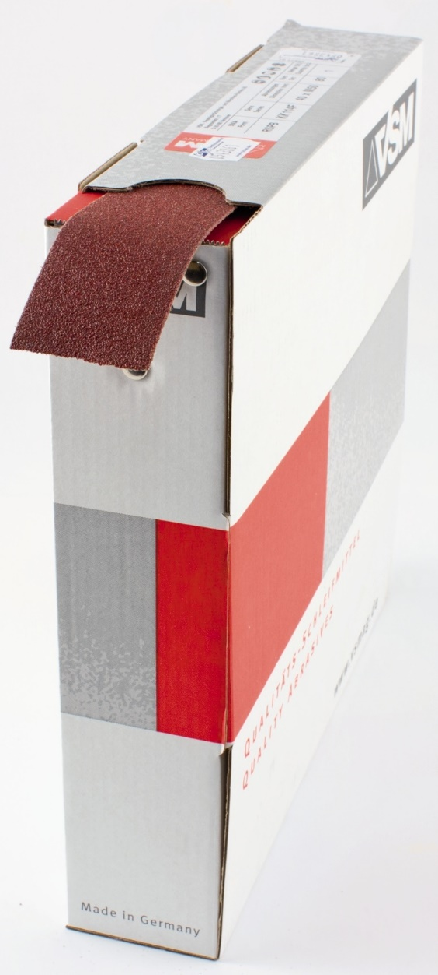
726658 | 0.00 | 0.000 | 1310.40 | 50.400 | Role 40mm x 50m P 40 KK114F RSPB | Roll 40mm x 50m P 40 KK114F RSPB | 1 Roll
726659 | 0.00 | 0.000 | 1142.65 | 43.948 | Role 40mm x 50m P 60 KK114F RSPB | Roll 40mm x 50m P 60 KK114F RSPB | 1 Roll
726660 | 0.00 | 0.000 | 1063.67 | 40.910 | Role 40mm x 50m P 80 KK114F RSPB | Roll 40mm x 50m P 80 KK114F RSPB | 1 Roll
726661 | 0.00 | 0.000 | 1014.34 | 39.013 | Role 40mm x 50m P 100 KK114F RSPB | Roll 40mm x 50m P 100 KK114F RSPB | 1 Roll
726662 | 0.00 | 0.000 | 1014.34 | 39.013 | Role 40mm x 50m P 120 KK114F RSPB | Roll 40mm x 50m P 120 KK114F RSPB | 1 Roll
726663 | 0.00 | 0.000 | 1014.34 | 39.013 | Role 40mm x 50m P 150 KK114F RSPB | Roll 40mm x 50m P 150 KK114F RSPB | 1 Roll
726664 | 0.00 | 0.000 | 1014.34 | 39.013 | Role 40mm x 50m P 180 KK114F RSPB | Roll 40mm x 50m P 180 KK114F RSPB | 1 Roll
726666 | 0.00 | 0.000 | 1014.34 | 39.013 | Role 40mm x 50m P 240 KK114F RSPB | Roll 40mm x 50m P 240 KK114F RSPB | 1 Roll
726668 | 0.00 | 0.000 | 1014.34 | 39.013 | Role 40mm x 50m P 320 KK114F RSPB | Roll 40mm x 50m P 320 KK114F RSPB | 1 Roll
726669 | 0.00 | 0.000 | 1014.34 | 39.013 | Role 40mm x 50m P 400 KK114F RSPB | Roll 40mm x 50m P 400 KK114F RSPB | 1 Roll
761131 | 0.00 | 0.000 | 1638.03 | 63.001 | Role 50mm x 50m P 40 KK114F RSPB | Roll 50mm x 50m P 40 KK114F RSPB | 1 Roll
726671 | 0.00 | 0.000 | 1428.37 | 54.937 | Role 50mm x 50m P 60 KK114F RSPB | Roll 50mm x 50m P 60 KK114F RSPB | 1 Roll
726672 | 0.00 | 0.000 | 1329.61 | 51.139 | Role 50mm x 50m P 80 KK114F RSPB | Roll 50mm x 50m P 80 KK114F RSPB | 1 Roll
726673 | 0.00 | 0.000 | 1268.04 | 48.771 | Role 50mm x 50m P 100 KK114F RSPB | Roll 50mm x 50m P 100 KK114F RSPB | 1 Roll
726674 | 0.00 | 0.000 | 1268.04 | 48.771 | Role 50mm x 50m P 120 KK114F RSPB | Roll 50mm x 50m P 120 KK114F RSPB | 1 Roll
726675 | 0.00 | 0.000 | 1268.04 | 48.771 | Role 50mm x 50m P 150 KK114F RSPB | Roll 50mm x 50m P 150 KK114F RSPB | 1 Roll
726676 | 0.00 | 0.000 | 1268.04 | 48.771 | Role 50mm x 50m P 180 KK114F RSPB | Roll 50mm x 50m P 180 KK114F RSPB | 1 Roll
761133 | 0.00 | 0.000 | 1268.04 | 48.771 | Role 50mm x 50m P 240 KK114F RSPB | Roll 50mm x 50m P 240 KK114F RSPB | 1 Roll
761134 | 0.00 | 0.000 | 1268.04 | 48.771 | Role 50mm x 50m P 320 KK114F RSPB | Roll 50mm x 50m P 320 KK114F RSPB | 1 Roll
761135 | 0.00 | 0.000 | 1268.04 | 48.771 | Role 50mm x 50m P 400 KK114F RSPB | Roll 50mm x 50m P 400 KK114F RSPB | 1 Roll
720569 | 0.00 | 0.000 | 3227.29 | 124.127 | Role 100mm x 50m P 40 KK114F | Roll 100mm x 50m P 40 KK114F | 1 Roll
720571 | 0.00 | 0.000 | 2808.21 | 108.008 | Role 100mm x 50m P 60 KK114F | Roll 100mm x 50m P 60 KK114F | 1 Roll
720572 | 0.00 | 0.000 | 2610.91 | 100.420 | Role 100mm x 50m P 80 KK114F | Roll 100mm x 50m P 80 KK114F | 1 Roll
720573 | 0.00 | 0.000 | 2487.55 | 95.675 | Role 100mm x 50m P 100 KK114F | Roll 100mm x 50m P 100 KK114F | 1 Roll
720574 | 0.00 | 0.000 | 2487.55 | 95.675 | Role 100mm x 50m P 120 KK114F | Roll 100mm x 50m P 120 KK114F | 1 Roll
720575 | 0.00 | 0.000 | 2487.55 | 95.675 | Role 100mm x 50m P 150 KK114F | Roll 100mm x 50m P 150 KK114F | 1 Roll
720576 | 0.00 | 0.000 | 2487.55 | 95.675 | Role 100mm x 50m P 180 KK114F | Roll 100mm x 50m P 180 KK114F | 1 Roll
720577 | 0.00 | 0.000 | 2487.55 | 95.675 | Role 100mm x 50m P 220 KK114F | Roll 100mm x 50m P 220 KK114F | 1 Roll
720578 | 0.00 | 0.000 | 2487.55 | 95.675 | Role 100mm x 50m P 240 KK114F | Roll 100mm x 50m P 240 KK114F | 1 Roll
720580 | 0.00 | 0.000 | 2487.55 | 95.675 | Role 100mm x 50m P 320 KK114F | Roll 100mm x 50m P 320 KK114F | 1 Roll
720582 | 0.00 | 0.000 | 2487.55 | 95.675 | Role 100mm x 50m P 400 KK114F | Roll 100mm x 50m P 400 KK114F | 1 Roll
720592 | 0.00 | 0.000 | 3089.10 | 118.811 | Role 110mm x 50m P 60 KK114F | Roll 110mm x 50m P 60 KK114F | 1 Roll
720593 | 0.00 | 0.000 | 2872.02 | 110.462 | Role 110mm x 50m P 80 KK114F | Roll 110mm x 50m P 80 KK114F | 1 Roll
720594 | 0.00 | 0.000 | 2736.30 | 105.242 | Role 110mm x 50m P 100 KK114F | Roll 110mm x 50m P 100 KK114F | 1 Roll
720595 | 0.00 | 0.000 | 2736.30 | 105.242 | Role 110mm x 50m P 120 KK114F | Roll 110mm x 50m P 120 KK114F | 1 Roll
720597 | 0.00 | 0.000 | 2736.30 | 105.242 | Role 110mm x 50m P 180 KK114F | Roll 110mm x 50m P 180 KK114F | 1 Roll
720598 | 0.00 | 0.000 | 2736.30 | 105.242 | Role 110mm x 50m P 220 KK114F | Roll 110mm x 50m P 220 KK114F | 1 Roll
720601 | 0.00 | 0.000 | 2736.30 | 105.242 | Role 110mm x 50m P 320 KK114F | Roll 110mm x 50m P 320 KK114F | 1 Roll
720602 | 0.00 | 0.000 | 2736.30 | 105.242 | Role 110mm x 50m P 400 KK114F | Roll 110mm x 50m P 400 KK114F | 1 Roll
720610 | 0.00 | 0.000 | 3711.77 | 142.760 | Role 115mm x 50m P 40 KK114F | Roll 115mm x 50m P 40 KK114F | 1 Roll
720612 | 0.00 | 0.000 | 3229.54 | 124.213 | Role 115mm x 50m P 60 KK114F | Roll 115mm x 50m P 60 KK114F | 1 Roll
720613 | 0.00 | 0.000 | 3002.58 | 115.484 | Role 115mm x 50m P 80 KK114F | Roll 115mm x 50m P 80 KK114F | 1 Roll
720614 | 0.00 | 0.000 | 2860.68 | 110.026 | Role 115mm x 50m P 100 KK114F | Roll 115mm x 50m P 100 KK114F | 1 Roll
720615 | 0.00 | 0.000 | 2860.68 | 110.026 | Role 115mm x 50m P 120 KK114F | Roll 115mm x 50m P 120 KK114F | 1 Roll
720616 | 0.00 | 0.000 | 2860.68 | 110.026 | Role 115mm x 50m P 150 KK114F | Roll 115mm x 50m P 150 KK114F | 1 Roll
720617 | 0.00 | 0.000 | 2860.68 | 110.026 | Role 115mm x 50m P 180 KK114F | Roll 115mm x 50m P 180 KK114F | 1 Roll
720619 | 0.00 | 0.000 | 2860.68 | 110.026 | Role 115mm x 50m P 240 KK114F | Roll 115mm x 50m P 240 KK114F | 1 Roll
720620 | 0.00 | 0.000 | 2860.68 | 110.026 | Role 115mm x 50m P 320 KK114F | Roll 115mm x 50m P 320 KK114F | 1 Roll
720622 | 0.00 | 0.000 | 2860.68 | 110.026 | Role 115mm x 50m P 400 KK114F | Roll 115mm x 50m P 400 KK114F | 1 Roll

