List1
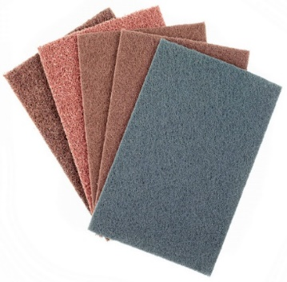
Material | Rabatte_%
ASC | 100
ASC-XL | 100
A737 | 100
SWP | 100

Calatog č. | Cena po slevě CZK | Final price EUR | Ceník CZK | List price EUR | CZ název | AJ název | Box ( ks ) | EAN code
ASCCRS | 0.00 | 0.000 | 47.01 | 1.880 | BAA abrasivní arch ASC 150x230mm Coarse | Non-w sheet ASC 150x230mm Coarse | 10
ASCMED | 0.00 | 0.000 | 39.90 | 1.596 | BAA abrasivní arch ASC 150x230mm Medium | Non-w sheet ASC 150x230mm Medium | 10
ASCFIN | 0.00 | 0.000 | 34.00 | 1.360 | BAA abrasivní arch ASC 150x230mm Fine | Non-w sheet ASC 150x230mm Fine | 10
ASCVFN | 0.00 | 0.000 | 34.00 | 1.360 | BAA abrasivní arch ASC 150x230mm Very Fine | Non-w sheet ASC 150x230mm Very Fine | 10
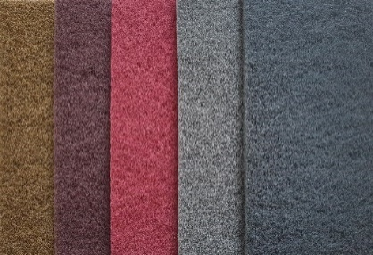
ASCUFN | 0.00 | 0.000 | 34.00 | 1.360 | BAA abrasivní arch ASC 150x230mm Ultra Fine | Non-w sheet ASC 150x230mm Ultra Fine | 10
ASCT | 0.00 | 0.000 | 29.68 | 1.187 | BAA arch ASC 150x210mm T-type | BAA arch ASC 150x210mm T-type | 10
PA2934 | 0.00 | 0.000 | 34.32 | 1.373 | BAA abrasivní arch ASC-XL 115x230mm Coarse | Non-w sheet ASC-XL 115x230mm Coarse | 10
PA2941 | 0.00 | 0.000 | 17.54 | 0.702 | BAA abrasivní arch ASC-XL 115x230mm Medium | Non-w sheet ASC-XL 115x230mm Medium | 10
PA2958 | 0.00 | 0.000 | 17.54 | 0.702 | BAA abrasivní arch ASC-XL 115x230mm Fine | Non-w sheet ASC-XL 115x230mm Fine | 10
PA2965 | 0.00 | 0.000 | 17.54 | 0.702 | BAA abrasivní arch ASC-XL 115x230mm Very Fine | Non-w sheet ASC-XL 115x230mm Very Fine | 10
PA2972 | 0.00 | 0.000 | 17.54 | 0.702 | BAA abrasivní arch ASC-XL 115x230mm Ultra Fine | Non-w sheet ASC-XL 115x230mm Ultra Fine | 10
PA2934E | 0.00 | 0.000 | 34.32 | 1.373 | BAA abrasivní arch ASC-XL 115x230mm Coarse EAN | Non-w sheet ASC-XL 115x230mm Coarse EAN | 10 | 8595666502934
PA2941E | 0.00 | 0.000 | 17.54 | 0.702 | BAA abrasivní arch ASC-XL 115x230mm Medium EAN | Non-w sheet ASC-XL 115x230mm Medium EAN | 10 | 8595666502941
PA2958E | 0.00 | 0.000 | 17.54 | 0.702 | BAA abrasivní arch ASC-XL 115x230mm Fine EAN | Non-w sheet ASC-XL 115x230mm Fine EAN | 10 | 8595666502958
PA2965E | 0.00 | 0.000 | 17.54 | 0.702 | BAA abrasivní arch ASC-XL 115x230mm Very Fine EAN | Non-w sheet ASC-XL 115x230mm Very Fine EAN | 10 | 8595666502965
PA2972E | 0.00 | 0.000 | 17.54 | 0.702 | BAA abrasivní arch ASC-XL 115x230mm Ultra Fine EAN | Non-w sheet ASC-XL 115x230mm Ultra Fine EAN | 10 | 8595666502972
PA2989 | 0.00 | 0.000 | 11.36 | 0.455 | B arch plátno 230x280mm P24 A737 | Sanding sheet 230x280mm P30 A737 | 50 | 8595666502989
PA2996 | 0.00 | 0.000 | 9.56 | 0.383 | B arch plátno 230x280mm P36 A737 | Sanding sheet 230x280mm P36 A737 | 50 | 8595666502996
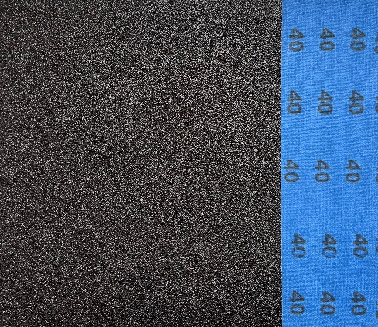
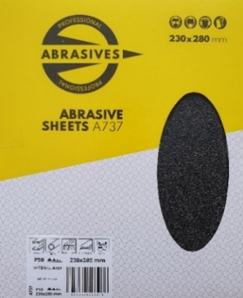
PA3009 | 0.00 | 0.000 | 9.56 | 0.383 | B arch plátno 230x280mm P40 A737 | Sanding sheet 230x280mm P40 A737 | 50 | 8595666503009
PA3016 | 0.00 | 0.000 | 9.56 | 0.383 | B arch plátno 230x280mm P50 A737 | Sanding sheet 230x280mm P50 A737 | 50 | 8595666503016
PA3023 | 0.00 | 0.000 | 9.20 | 0.368 | B arch plátno 230x280mm P60 A737 | Sanding sheet 230x280mm P60 A737 | 50 | 8595666503023
PA3030 | 0.00 | 0.000 | 9.20 | 0.368 | B arch plátno 230x280mm P80 A737 | Sanding sheet 230x280mm P80 A737 | 50 | 8595666503030
PA3047 | 0.00 | 0.000 | 9.20 | 0.368 | B arch plátno 230x280mm P100 A737 | Sanding sheet 230x280mm P100 A737 | 50 | 8595666503047
PA3054 | 0.00 | 0.000 | 9.20 | 0.368 | B arch plátno 230x280mm P120 A737 | Sanding sheet 230x280mm P120 A737 | 50 | 8595666503054
PA3061 | 0.00 | 0.000 | 9.20 | 0.368 | B arch plátno 230x280mm P150 A737 | Sanding sheet 230x280mm P150 A737 | 50 | 8595666503061
PA3078 | 0.00 | 0.000 | 9.20 | 0.368 | B arch plátno 230x280mm P180 A737 | Sanding sheet 230x280mm P180 A737 | 50 | 8595666503078
PA3085 | 0.00 | 0.000 | 9.20 | 0.368 | B arch plátno 230x280mm P220 A737 | Sanding sheet 230x280mm P220 A737 | 50 | 8595666503085
PA3092 | 0.00 | 0.000 | 9.20 | 0.368 | B arch plátno 230x280mm P240 A737 | Sanding sheet 230x280mm P240 A737 | 50 | 8595666503092
PA3108 | 0.00 | 0.000 | 9.20 | 0.368 | B arch plátno 230x280mm P280 A737 | Sanding sheet 230x280mm P280 A737 | 50 | 8595666503108
PA3115 | 0.00 | 0.000 | 9.20 | 0.368 | B arch plátno 230x280mm P320 A737 | Sanding sheet 230x280mm P320 A737 | 50 | 8595666503115
PA3122 | 0.00 | 0.000 | 9.20 | 0.368 | B arch plátno 230x280mm P400 A737 | Sanding sheet 230x280mm P400 A737 | 50 | 8595666503122
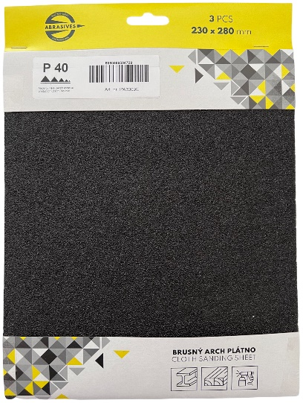
PA2989E | 0.00 | 0.000 | 43.09 | 1.724 | B arch plátno 230x280mm P24 A737 3Ks bal. | Sanding sheet 230x280mm P24 A737 3 pcs in pack | 3 | 8595666504686
PA2996E | 0.00 | 0.000 | 37.69 | 1.508 | B arch plátno 230x280mm P36 A737 3Ks bal. | Sanding sheet 230x280mm P36 A737 3 pcs in pack | 3 | 8595666504693
PA3009E | 0.00 | 0.000 | 37.69 | 1.508 | B arch plátno 230x280mm P40 A737 3Ks bal. | Sanding sheet 230x280mm P40 A737 3 pcs in pack | 3 | 8595666504709
PA3016E | 0.00 | 0.000 | 37.69 | 1.508 | B arch plátno 230x280mm P50 A737 3Ks bal. | Sanding sheet 230x280mm P50 A737 3 pcs in pack | 3 | 8595666504716
PA3023E | 0.00 | 0.000 | 36.61 | 1.464 | B arch plátno 230x280mm P60 A737 3Ks bal. | Sanding sheet 230x280mm P60 A737 3 pcs in pack | 3 | 8595666504723
PA3030E | 0.00 | 0.000 | 36.61 | 1.464 | B arch plátno 230x280mm P80 A737 3Ks bal. | Sanding sheet 230x280mm P80 A737 3 pcs in pack | 3 | 8595666504884
PA3047E | 0.00 | 0.000 | 36.61 | 1.464 | B arch plátno 230x280mm P100 A737 3Ks bal. | Sanding sheet 230x280mm P100 A737 3 pcs in pack | 3 | 8595666504891
PA3054E | 0.00 | 0.000 | 36.61 | 1.464 | B arch plátno 230x280mm P120 A737 3Ks bal. | Sanding sheet 230x280mm P120 A737 3 pcs in pack | 3 | 8595666504907
PA3061E | 0.00 | 0.000 | 36.61 | 1.464 | B arch plátno 230x280mm P150 A737 3Ks bal. | Sanding sheet 230x280mm P150 A737 3 pcs in pack | 3 | 8595666504914
PA3078E | 0.00 | 0.000 | 36.61 | 1.464 | B arch plátno 230x280mm P180 A737 3Ks bal. | Sanding sheet 230x280mm P180 A737 3 pcs in pack | 3 | 8595666504921
PA3085E | 0.00 | 0.000 | 36.61 | 1.464 | B arch plátno 230x280mm P220 A737 3Ks bal. | Sanding sheet 230x280mm P220 A737 3 pcs in pack | 3 | 8595666504938
PA3092E | 0.00 | 0.000 | 36.61 | 1.464 | B arch plátno 230x280mm P240 A737 3Ks bal. | Sanding sheet 230x280mm P240 A737 3 pcs in pack | 3 | 8595666504945
PA3108E | 0.00 | 0.000 | 36.61 | 1.464 | B arch plátno 230x280mm P280 A737 3Ks bal. | Sanding sheet 230x280mm P280 A737 3 pcs in pack | 3 | 8595666504952
PA3115E | 0.00 | 0.000 | 36.61 | 1.464 | B arch plátno 230x280mm P320 A737 3Ks bal. | Sanding sheet 230x280mm P320 A737 3 pcs in pack | 3 | 8595666504969
PA3122E | 0.00 | 0.000 | 36.61 | 1.464 | B arch plátno 230x280mm P400 A737 3Ks bal. | Sanding sheet 230x280mm P400 A737 3 pcs in pack | 3 | 8595666504976
PA2606 | 0.00 | 0.000 | 9.89 | 0.380 | B arch papír voda 230x280mm P60 SWP | Waterproof sheets 230x280mm P60 SWP | 50 | 8595666502606
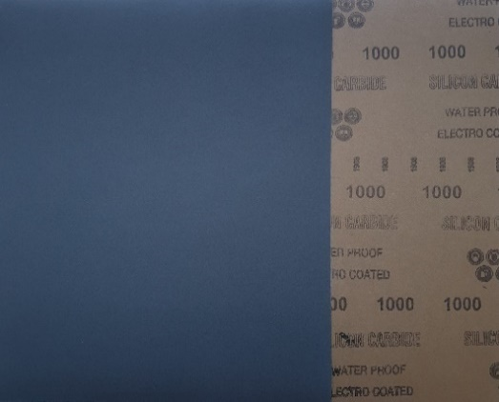
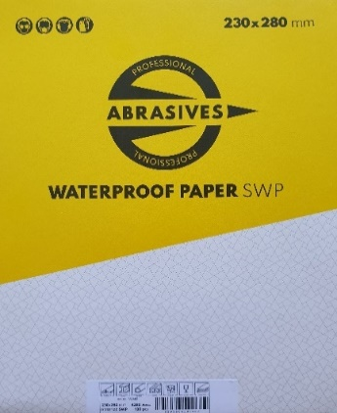
PA2613 | 0.00 | 0.000 | 9.89 | 0.380 | B arch papír voda 230x280mm P80 SWP | Waterproof sheets 230x280mm P80 SWP | 50 | 8595666502613
PA2620 | 0.00 | 0.000 | 8.77 | 0.337 | B arch papír voda 230x280mm P100 SWP | Waterproof sheets 230x280mm P100 SWP | 100 | 8595666502620
PA2637 | 0.00 | 0.000 | 8.77 | 0.337 | B arch papír voda 230x280mm P120 SWP | Waterproof sheets 230x280mm P120 SWP | 100 | 8595666502637
PA2644 | 0.00 | 0.000 | 8.34 | 0.321 | B arch papír voda 230x280mm P150 SWP | Waterproof sheets 230x280mm P150 SWP | 100 | 8595666502644
PA2651 | 0.00 | 0.000 | 8.34 | 0.321 | B arch papír voda 230x280mm P180 SWP | Waterproof sheets 230x280mm P180 SWP | 100 | 8595666502651
PA2668 | 0.00 | 0.000 | 8.34 | 0.321 | B arch papír voda 230x280mm P220 SWP | Waterproof sheets 230x280mm P220 SWP | 100 | 8595666502668
PA2675 | 0.00 | 0.000 | 8.34 | 0.321 | B arch papír voda 230x280mm P240 SWP | Waterproof sheets 230x280mm P240 SWP | 100 | 8595666502675
PA2682 | 0.00 | 0.000 | 8.34 | 0.321 | B arch papír voda 230x280mm P280 SWP | Waterproof sheets 230x280mm P280 SWP | 100 | 8595666502682
PA2699 | 0.00 | 0.000 | 8.34 | 0.321 | B arch papír voda 230x280mm P320 SWP | Waterproof sheets 230x280mm P320 SWP | 100 | 8595666502699
PA2705 | 0.00 | 0.000 | 8.34 | 0.321 | B arch papír voda 230x280mm P360 SWP | Waterproof sheets 230x280mm P360 SWP | 100 | 8595666502705
PA2712 | 0.00 | 0.000 | 8.34 | 0.321 | B arch papír voda 230x280mm P400 SWP | Waterproof sheets 230x280mm P400 SWP | 100 | 8595666502712
PA2729 | 0.00 | 0.000 | 8.34 | 0.321 | B arch papír voda 230x280mm P500 SWP | Waterproof sheets 230x280mm P500 SWP | 100 | 8595666502729
PA2736 | 0.00 | 0.000 | 8.34 | 0.321 | B arch papír voda 230x280mm P600 SWP | Waterproof sheets 230x280mm P600 SWP | 100 | 8595666502736
PA2743 | 0.00 | 0.000 | 8.34 | 0.321 | B arch papír voda 230x280mm P800 SWP | Waterproof sheets 230x280mm P800 SWP | 100 | 8595666502743
PA2750 | 0.00 | 0.000 | 8.34 | 0.321 | B arch papír voda 230x280mm P1000 SWP | Waterproof sheets 230x280mm P1000 SWP | 100 | 8595666502750
PA2767 | 0.00 | 0.000 | 8.34 | 0.321 | B arch papír voda 230x280mm P1200 SWP | Waterproof sheets 230x280mm P1200 SWP | 100 | 8595666502767
PA2774 | 0.00 | 0.000 | 8.34 | 0.321 | B arch papír voda 230x280mm P1500 SWP | Waterproof sheets 230x280mm P1500 SWP | 100 | 8595666502774
PA2781 | 0.00 | 0.000 | 8.34 | 0.321 | B arch papír voda 230x280mm P2000 SWP | Waterproof sheets 230x280mm P2000 SWP | 100 | 8595666502781

PA2606E | 0.00 | 0.000 | 38.66 | 1.546 | B arch papír voda 230x280mm P60 SWP 3Ks bal. | Waterproof sheets 230x280mm P60 SWP 3 pcs in pack | 3 | 8595666505089
PA2613E | 0.00 | 0.000 | 38.66 | 1.546 | B arch papír voda 230x280mm P80 SWP 3Ks bal. | Waterproof sheets 230x280mm P80 SWP 3 pcs in pack | 3 | 8595666505096
PA2620E | 0.00 | 0.000 | 35.30 | 1.412 | B arch papír voda 230x280mm P100 SWP 3Ks bal. | Waterproof sheets 230x280mm P100 SWP 3 pcs in pack | 3 | 8595666505102
PA2637E | 0.00 | 0.000 | 35.30 | 1.412 | B arch papír voda 230x280mm P120 SWP 3Ks bal. | Waterproof sheets 230x280mm P120 SWP 3 pcs in pack | 3 | 8595666505119
PA2644E | 0.00 | 0.000 | 34.02 | 1.361 | B arch papír voda 230x280mm P150 SWP 3Ks bal. | Waterproof sheets 230x280mm P150 SWP 3 pcs in pack | 3 | 8595666505126
PA2651E | 0.00 | 0.000 | 34.02 | 1.361 | B arch papír voda 230x280mm P180 SWP 3Ks bal. | Waterproof sheets 230x280mm P180 SWP 3 pcs in pack | 3 | 8595666505133
PA2668E | 0.00 | 0.000 | 34.02 | 1.361 | B arch papír voda 230x280mm P220 SWP 3Ks bal. | Waterproof sheets 230x280mm P220 SWP 3 pcs in pack | 3 | 8595666505140
PA2675E | 0.00 | 0.000 | 34.02 | 1.361 | B arch papír voda 230x280mm P240 SWP 3Ks bal. | Waterproof sheets 230x280mm P240 SWP 3 pcs in pack | 3 | 8595666505157
PA2682E | 0.00 | 0.000 | 34.02 | 1.361 | B arch papír voda 230x280mm P280 SWP 3Ks bal. | Waterproof sheets 230x280mm P280 SWP 3 pcs in pack | 3 | 8595666505164
PA2699E | 0.00 | 0.000 | 34.02 | 1.361 | B arch papír voda 230x280mm P320 SWP 3Ks bal. | Waterproof sheets 230x280mm P320 SWP 3 pcs in pack | 3 | 8595666505171
PA2705E | 0.00 | 0.000 | 34.02 | 1.361 | B arch papír voda 230x280mm P360 SWP 3Ks bal. | Waterproof sheets 230x280mm P360 SWP 3 pcs in pack | 3 | 8595666505232
PA2712E | 0.00 | 0.000 | 34.02 | 1.361 | B arch papír voda 230x280mm P400 SWP 3Ks bal. | Waterproof sheets 230x280mm P400 SWP 3 pcs in pack | 3 | 8595666505249
PA2729E | 0.00 | 0.000 | 34.02 | 1.361 | B arch papír voda 230x280mm P500 SWP 3Ks bal. | Waterproof sheets 230x280mm P500 SWP 3 pcs in pack | 3 | 8595666505256
PA2736E | 0.00 | 0.000 | 34.02 | 1.361 | B arch papír voda 230x280mm P600 SWP 3Ks bal. | Waterproof sheets 230x280mm P600 SWP 3 pcs in pack | 3 | 8595666505263
PA2743E | 0.00 | 0.000 | 34.02 | 1.361 | B arch papír voda 230x280mm P800 SWP 3Ks bal. | Waterproof sheets 230x280mm P800 SWP 3 pcs in pack | 3 | 8595666505270
PA2750E | 0.00 | 0.000 | 34.02 | 1.361 | B arch papír voda 230x280mm P1000 SWP 3Ks bal. | Waterproof sheets 230x280mm P1000 SWP 3 pcs in pack | 3 | 8595666505287
PA2767E | 0.00 | 0.000 | 34.02 | 1.361 | B arch papír voda 230x280mm P1200 SWP 3Ks bal. | Waterproof sheets 230x280mm P1200 SWP 3 pcs in pack | 3 | 8595666505294
PA2774E | 0.00 | 0.000 | 34.02 | 1.361 | B arch papír voda 230x280mm P1500 SWP 3Ks bal. | Waterproof sheets 230x280mm P1500 SWP 3 pcs in pack | 3 | 8595666505300
PA2781E | 0.00 | 0.000 | 34.02 | 1.361 | B arch papír voda 230x280mm P2000 SWP 3Ks bal. | Waterproof sheets 230x280mm P2000 SWP 3 pcs in pack | 3 | 8595666505317

