List1
Material | Kód slevy | Rabatte_%
BH98 4-stranná | BH98 | 100
BH120 2-stranná | BH120 | 100

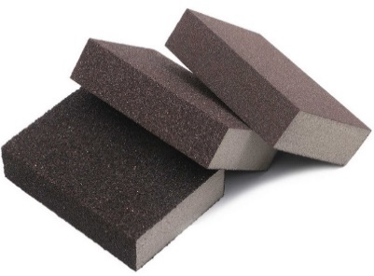
Calatog č. | Cena CZK po slevě | Final price EUR | Ceník CZK | List price EUR | CZ název | AJ název | Master box pcs | EAN code
BH9860 | 0.00 | 0.000 | 16.18 | 0.647 | Brusná houba 4-stranná P60 Alox | Sanding sponge 4-sides P60 Alox | 250
BH9880 | 0.00 | 0.000 | 16.18 | 0.647 | Brusná houba 4-stranná P80 Alox | Sanding sponge 4-sides P80 Alox | 250
BH98100 | 0.00 | 0.000 | 16.18 | 0.647 | Brusná houba 4-stranná P100 Alox | Sanding sponge 4-sides P100 Alox | 250
BH98120 | 0.00 | 0.000 | 16.18 | 0.647 | Brusná houba 4-stranná P120 Alox | Sanding sponge 4-sides P120 Alox | 250
BH98150 | 0.00 | 0.000 | 16.18 | 0.647 | Brusná houba 4-stranná P150 Alox | Sanding sponge 4-sides P150 Alox | 250
BH98180 | 0.00 | 0.000 | 16.18 | 0.647 | Brusná houba 4-stranná P180 Alox | Sanding sponge 4-sides P180 Alox | 250
BH98220 | 0.00 | 0.000 | 16.18 | 0.647 | Brusná houba 4-stranná P220 Alox | Sanding sponge 4-sides P220 Alox | 250
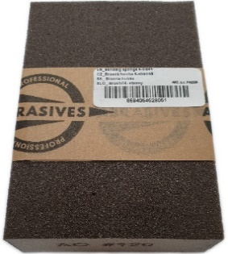
BH9860E | 0.00 | 0.000 | 16.18 | 0.647 | Brusná houba 4-stranná P60 Alox EAN | Sanding sponge 4-side P60 Alox EAN | 250 | 8594054528051
BH9880E | 0.00 | 0.000 | 16.18 | 0.647 | Brusná houba 4-stranná P80 Alox EAN | Sanding sponge 4-sides P80 Alox EAN | 250 | 8595666502286
BH98100E | 0.00 | 0.000 | 16.18 | 0.647 | Brusná houba 4-stranná P100 Alox EAN | Sanding sponge 4-sides P100 Alox EAN | 250 | 8595666502323
BH98120E | 0.00 | 0.000 | 16.18 | 0.647 | Brusná houba 4-stranná P120 Alox EAN | Sanding sponge 4-sides P120 Alox EAN | 250 | 8595666505546
BH98150E | 0.00 | 0.000 | 16.18 | 0.647 | Brusná houba 4-stranná P150 Alox EAN | Sanding sponge 4-sides P150 Alox EAN | 250 | 8595666504365
BH98180E | 0.00 | 0.000 | 16.18 | 0.647 | Brusná houba 4-stranná P180 Alox EAN | Sanding sponge 4-sides P180 Alox EAN | 250 | 8595666504372
BH98220E | 0.00 | 0.000 | 16.18 | 0.647 | Brusná houba 4-stranná P220 Alox EAN | Sanding sponge 4-sides P220 Alox EAN | 250 | 8595666504389
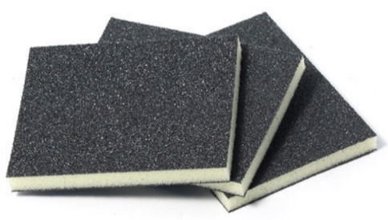
BH12060 | 0.00 | 0.000 | 13.92 | 0.557 | Brusná houba 2-stranná P60 Alox | Sanding sponge 2-sides P60 Alox | 250
BH12080 | 0.00 | 0.000 | 13.92 | 0.557 | Brusná houba 2-stranná P80 Alox | Sanding sponge 2-sides P80 Alox | 250
BH120100 | 0.00 | 0.000 | 13.92 | 0.557 | Brusná houba 2-stranná P100 Alox | Sanding sponge 2-sides P100 Alox | 250
BH120120 | 0.00 | 0.000 | 13.92 | 0.557 | Brusná houba 2-stranná P120 Alox | Sanding sponge 2-sides P120 Alox | 250
BH120150 | 0.00 | 0.000 | 13.92 | 0.557 | Brusná houba 2-stranná P150 Alox | Sanding sponge 2-sides P150 Alox | 250
BH120180 | 0.00 | 0.000 | 13.92 | 0.557 | Brusná houba 2-stranná P180 Alox | Sanding sponge 2-sides P180 Alox | 250
BH120220 | 0.00 | 0.000 | 13.92 | 0.557 | Brusná houba 2-stranná P220 Alox | Sanding sponge 2-sides P220 Alox | 250
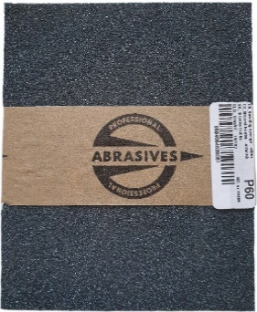
BH12060E | 0.00 | 0.000 | 13.92 | 0.557 | Brusná houba 2-stranná P60 Alox EAN | Sanding sponge 2-sides P60 Alox EAN | 250 | 8595666504396
BH12080E | 0.00 | 0.000 | 13.92 | 0.557 | Brusná houba 2-stranná P80 Alox EAN | Sanding sponge 2-sides P80 Alox EAN | 250 | 8595666504402
BH120100E | 0.00 | 0.000 | 13.92 | 0.557 | Brusná houba 2-stranná P100 Alox EAN | Sanding sponge 2-sides P100 Alox EAN | 250 | 8595666504419
BH120120E | 0.00 | 0.000 | 13.92 | 0.557 | Brusná houba 2-stranná P120 Alox EAN | Sanding sponge 2-sides P120 Alox EAN | 250 | 8595666504426
BH120150E | 0.00 | 0.000 | 13.92 | 0.557 | Brusná houba 2-stranná P150 Alox EAN | Sanding sponge 2-sides P150 Alox EAN | 250 | 8595666504433
BH120180E | 0.00 | 0.000 | 13.92 | 0.557 | Brusná houba 2-stranná P180 Alox EAN | Sanding sponge 2-sides P180 Alox EAN | 250 | 8595666504440
BH120220E | 0.00 | 0.000 | 13.92 | 0.557 | Brusná houba 2-stranná P220 Alox EAN | Sanding sponge 2-sides P220 Alox EAN | 250 | 8595666504457

