List1
Material | Rabatte_%
XA255 | 100 | Cena uvedena za 3 Ks _ Prices per 3pcs
 |  |  |  |  |  |  | M. Box ( pack. )
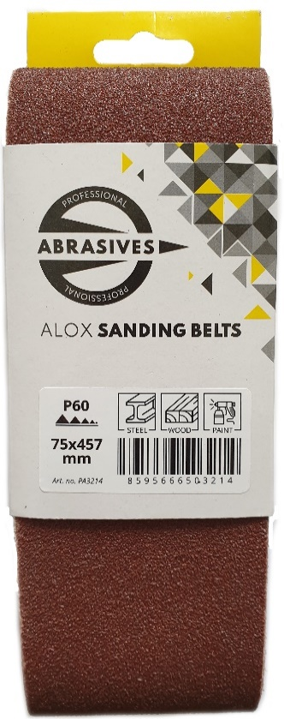
Calatog č. | Cena po slevě CZK | Final price EUR | Ceník CZK | List price EUR | CZ název | AJ název | M. Box ( bal. ) | EAN
PA3139 | 0.00 | 0.000 | 71.21 | 2.848 | BP pás 100x610 P36 XA255 3ks | Sanding belt 100x610 P36 XA255 3pcs | 50 package | 8595666503139
PA3146 | 0.00 | 0.000 | 67.75 | 2.710 | BP pás 100x610 P40 XA255 3ks | Sanding belt 100x610 P40 XA255 3pcs | 50 package | 8595666503146
PA3153 | 0.00 | 0.000 | 64.51 | 2.580 | BP pás 100x610 P60 XA255 3ks | Sanding belt 100x610 P60 XA255 3pcs | 50 package | 8595666503153
PA3160 | 0.00 | 0.000 | 63.43 | 2.537 | BP pás 100x610 P80 XA255 3ks | Sanding belt 100x610 P80 XA255 3pcs | 50 package | 8595666503160
PA3177 | 0.00 | 0.000 | 63.43 | 2.537 | BP pás 100x610 P100 XA255 3ks | Sanding belt 100x610 P100 AXA255 3pcs | 50 package | 8595666503177
PA3184 | 0.00 | 0.000 | 63.43 | 2.537 | BP pás 100x610 P120 XA255 3ks | Sanding belt 100x610 P120 XA255 3pcs | 50 package | 8595666503184
PA3252 | 0.00 | 0.000 | 54.14 | 2.166 | BP pás 75x533 P36 XA255 3ks | Sanding belt 75x533 P36 XA255 3pcs | 50 package | 8595666503252
PA3269 | 0.00 | 0.000 | 51.98 | 2.079 | BP pás 75x533 P40 XA255 3ks | Sanding belt 75x533 P40 XA255 3pcs | 50 package | 8595666503269
PA3276 | 0.00 | 0.000 | 49.61 | 1.984 | BP pás 75x533 P60 XA255 3ks | Sanding belt 75x533 P60 XA255 3pcs | 50 package | 8595666503276
PA3283 | 0.00 | 0.000 | 48.96 | 1.958 | BP pás 75x533 P80 XA255 3ks | Sanding belt 75x533 P80 XA255 3pcs | 50 package | 8595666503283
PA3290 | 0.00 | 0.000 | 48.96 | 1.958 | BP pás 75x533 P100 XA255 3ks | Sanding belt 75x533 P100 XA255 3pcs | 50 package | 8595666503290
PA3306 | 0.00 | 0.000 | 48.96 | 1.958 | BP pás 75x533 P120 XA255 3ks | Sanding belt 75x533 P120 XA255 3pcs | 50 package | 8595666503306
PA3191 | 0.00 | 0.000 | 47.45 | 1.898 | BP pás 75x457 P36 XA255 3ks | Sanding belt 75x457 P36 XA255 3pcs | 50 package | 8595666503191
PA3207 | 0.00 | 0.000 | 45.72 | 1.829 | BP pás 75x457 P40 XA255 3ks | Sanding belt 75x457 P40 XA255 3pcs | 50 package | 8595666503207
PA3214 | 0.00 | 0.000 | 43.56 | 1.742 | BP pás 75x457 P60 XA255 3ks | Sanding belt 75x457 P60 XA255 3pcs | 50 package | 8595666503214
PA3221 | 0.00 | 0.000 | 43.13 | 1.725 | BP pás 75x457 P80 XA255 3ks | Sanding belt 75x457 P80 XA255 3pcs | 50 package | 8595666503221
PA3238 | 0.00 | 0.000 | 43.13 | 1.725 | BP pás 75x457 P100 XA255 3ks | Sanding belt 75x457 P100 XA255 3pcs | 50 package | 8595666503238
PA3245 | 0.00 | 0.000 | 43.13 | 1.725 | BP pás 75x457 P120 XA255 3ks | Sanding belt 75x457 P120 XA255 3pcs | 50 package | 8595666503245

